Sheet1
 | 01D | 01N


Clear Sky


 | 02D | 02N

Few Clouds


 | 03D | 03N

Scattered Clouds

 | 04D | 04N

Broken Clouds

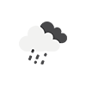
 | 09D | 09N

Shower

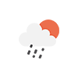
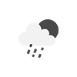
 | 10D | 10N

Rain

 | 11D | 11N
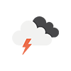
Thunderstorm

 | 13D | 13N

Snow



 | 50D | 50N

Mist

